Risk Management Matrix
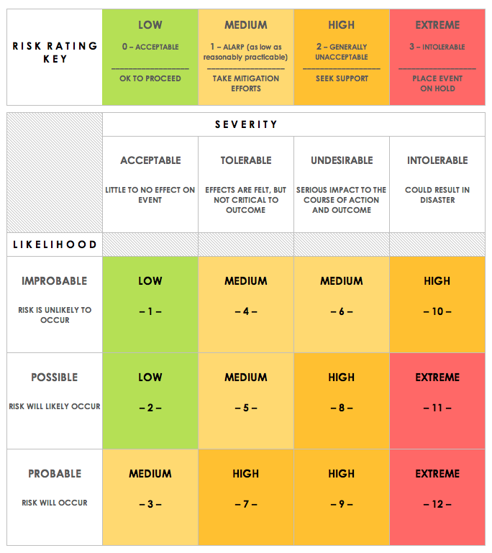
IMS PROJECT RISK MANAGEMENT MATRIX
NAME |  |  |  |  | OBJECTIVE
REF/ID | PRE-MITIGATION |  |  |  | DEPARTMENT / LOCATION | MITIGATIONS / WARNINGS / REMEDIES | POST-MITIGATION |  |  |  | RISK SEVERITY KEY | RISK LIKELIHOOD KEY | RISK LEVEL KEY | ACCEPTABLE TO PROCEED? KEY
 | RISK | RISK SEVERITY | RISK LIKELIHOOD | RISK LEVEL |  |  | RISK SEVERITY | RISK LIKELIHOOD | RISK LEVEL | ACCEPTABLE TO PROCEED?
1 | Poor time management | ACCEPTABLE | IMPROBABLE | LOW | Dev | Regular team meetings/reviews/Kanban boards | ACCEPTABLE | IMPROBABLE | LOW | YES | ACCEPTABLE | IMPROBABLE | LOW | YES
2 | Loss of Data | UNDESIRABLE | IMPROBABLE | MEDIUM | Dev | Regular commits/cloud storage/backup | UNDESIRABLE | IMPROBABLE | MEDIUM | YES | TOLERABLE | POSSIBLE | MEDIUM | NO
3 | Staff Sickness | UNDESIRABLE | PROBABLE | MEDIUM | Whole team | Working from home/team collab. | TOLERABLE | POSSIBLE | MEDIUM | YES | UNDESIRABLE | PROBABLE | HIGH
4 | COVID 19 | INTOLERABLE | PROBABLE | HIGH | Whole team | Working from home/Social Distancing | INTOLERABLE | PROBABLE | HIGH | YES | INTOLERABLE |  | EXTREME
5 | Bugs | ACCEPTABLE | POSSIBLE | MEDIUM | Dev | Bugfix branches/regulkar testing | ACCEPTABLE | IMPROBABLE | LOW | YES
6 | Cloud outage | INTOLERABLE | IMPROBABLE | LOW | Whole team | Local repo clones/git repositories | INTOLERABLE | IMPROBABLE | LOW | YES

CLICK HERE TO CREATE IN SMARTSHEET

